INFO
 |  |  | 19 Cooper Street |  |  |  |  | DOOR STYLES |  |  |  | To Order (or Quote )
 |  |  | Campbellfield Vic 3061 |  |  |  |  | https://designerform.com.au/products/kitchen/door-styles/ |  |  |  |  |  |  |  |  | doors@designerform.com.au
 |  |  | ABN:45 147 814 891 |  |  |  |  |  |  |  |  | Please SEND your Excel file… to
 |  |  | Tel: (03) 9303 7224 |  |  |  |  | COLOURS
 |  |  | Email: doors@designerform.com.au |  |  |  |  | https://designerform.com.au/products/bonlex/ |  |  |  | Thank you

 | SAMPLE ENTRY - General
 | Use filter to select your entry |  |  |  |  |  |  | Type of Door

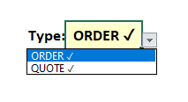
 |  |  |  |  | Type: | ORDER ✓ |  | VINYL Door ✓ |  | 18mm Standard

 |  |  |  |  |  |  |  | ALABASTER GLOSS

 |  |  |  |  |  |  |  | 4170_6 Metung 6 |  | Centre Design options

 |  |  |  |  |  |  |  | Edge 10 ✓ 3mm

 | Double Sided, Returns, Frame, Flat Panel |  |  |  |  |  |  |  |  | Drawers: |  |  | Pantry Doors: |  |  |  | Island Backs: |  |  |  |  | Adjustments :
 |  |  |  |  |  |  |  |  |  |  |  |  |  |  |  |  |  |  |  |  |  | Standard Rail Size 55mm
# | Qty | Height (mm) | Width (mm) | Square Edges (✓) EP 5 |  |  |  | Special pannels with.. | Additional Information | Drawer Type | Each Drawer Height | Drawer level | Xtra Btm Rail (mm) | Lower Sheild Hight | Chair Rail horizontal |  | Xtra Btm Rail (mm) | Xtra Top Rail (mm) | Chair Rail Vertical |  | # of Pane | Rail Size Change to (mm)
 |  |  |  | L | R | T | B |  | eg. Return width, Capping Mould, Recess Rails… |  |  |  |  |  | Sgl | Dbl |  |  | Sgl | Dbl |  | L | R | T | B
1 | 1 | 727 | 560 |  |  |  |  | Double Sided
2 | 1 | 100 | 1200 | ✓ | ✓ | ✓ | ✓ | FLAT PANEL

2 | 1 | 727 | 560 |  |  |  |  | Return - one end | 100
3 | 1 | 727 | 560 |  |  |  |  | Return - both ends | 250
4
5 | 1 | 727 | 560 |  |  |  |  | Frame 1 pane
6 | 1 | 727 | 560 |  |  |  |  | Frame 4 panes
7

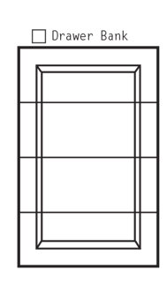
 | Drawer Bank |  |  |  |  |  |  |  |  | Drawers: |  |  | Pantry Doors: |  |  |  | Island Backs: |  |  |  |  | Adjustments :
 |  |  |  |  |  |  |  |  |  |  |  |  |  |  |  |  |  |  |  |  |  | Standard Rail Size 55mm
# | Qty | Height (mm) | Width (mm) | Square Edges (✓) EP 5 |  |  |  |  |  | Drawer Type | Each Drawer Height | Drawer level | Xtra Btm Rail (mm) | Lower Sheild Hight | Chair Rail horizontal |  | Xtra Btm Rail (mm) | Xtra Top Rail (mm) | Chair Rail Vertical |  | # of Pane | Rail Size Change to (mm)
 |  |  |  | L | R | T | B |  |  |  |  |  |  |  | Sgl | Dbl |  |  | Sgl | Dbl |  | L | R | T | B
1 | 1 | 720 | 430 |  |  |  |  |  |  | Drawer Bank of 4 | 170 | TOP
2 |  |  |  |  |  |  |  |  |  | Drawer Bank of 4 | 187 | MID
3 |  |  |  |  |  |  |  |  |  | Drawer Bank of 4 | 187 | MID
4 |  |  |  |  |  |  |  |  |  | Drawer Bank of 4 | 170 | BTM
5
6
7

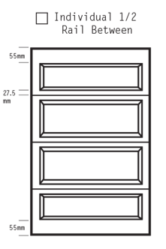
 | Individual 1/2 rail between |  |  |  |  |  |  |  |  | Drawers: |  |  | Pantry Doors: |  |  |  | Island Backs: |  |  |  |  | Adjustments :
 |  |  |  |  |  |  |  |  |  |  |  |  |  |  |  |  |  |  |  |  |  | Standard Rail Size 55mm
# | Qty | Height (mm) | Width (mm) | Square Edges (✓) EP 5 |  |  |  |  |  | Drawer Type | Each Drawer Height | Drawer level | Xtra Btm Rail (mm) | Lower Sheild Hight | Chair Rail horizontal |  | Xtra Btm Rail (mm) | Xtra Top Rail (mm) | Chair Rail Vertical |  | # of Pane | Rail Size Change to (mm)
 |  |  |  | L | R | T | B |  |  |  |  |  |  |  | Sgl | Dbl |  |  | Sgl | Dbl |  | L | R | T | B
1 | 2 | 720 | 430 |  |  |  |  |  |  | Ind -1/2 rails | 170 | TOP
2 |  | ( ordering two sets of drawers ) |  |  |  |  |  |  |  | Ind -1/2 rails | 187 | MID
3 |  |  |  |  |  |  |  |  |  | Ind -1/2 rails | 187 | MID
4 |  |  |  |  |  |  |  |  |  | Ind -1/2 rails | 170 | BTM
5
6
7

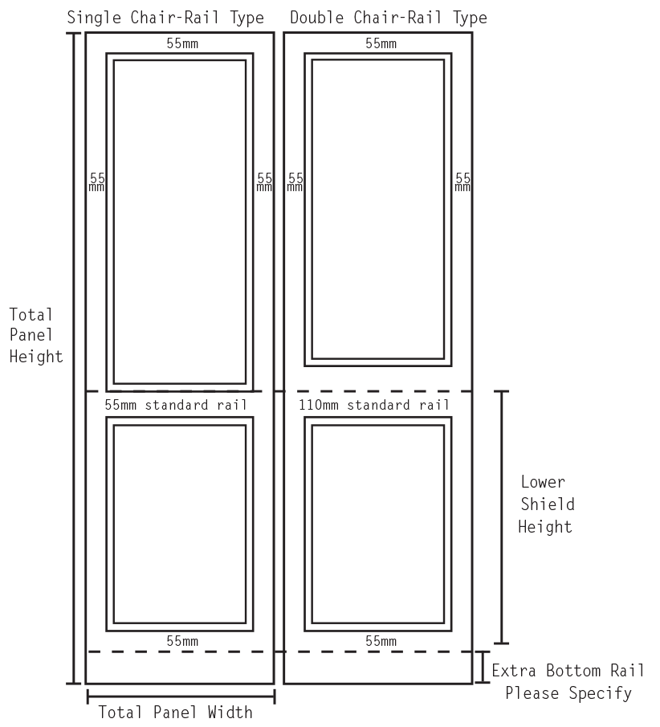
 | Pantry Doors |  |  |  |  |  |  |  |  |  |  |  | Pantry Doors: |  |  |  | Island Backs: |  |  |  |  | Adjustments :
 |  |  |  |  |  |  |  |  |  |  |  |  |  |  |  |  |  |  |  |  |  | Standard Rail Size 55mm
# | Qty | Height (mm) | Width (mm) | Square Edges (✓) EP 5 |  |  |  |  |  |  |  |  | Xtra Btm Rail (mm) | Lower Sheild Hight | Chair Rail horizontal |  | Xtra Btm Rail (mm) | Xtra Top Rail (mm) | Chair Rail Vertical |  | # of Pane | Rail Size Change to (mm)
 |  |  |  | L | R | T | B |  |  |  |  |  |  |  | Sgl | Dbl |  |  | Sgl | Dbl |  | L | R | T | B
1 | 1 | 2400 | 740 |  |  |  |  |  |  |  |  |  | 140 | 720 | ✓
2
3
4
5
6
7

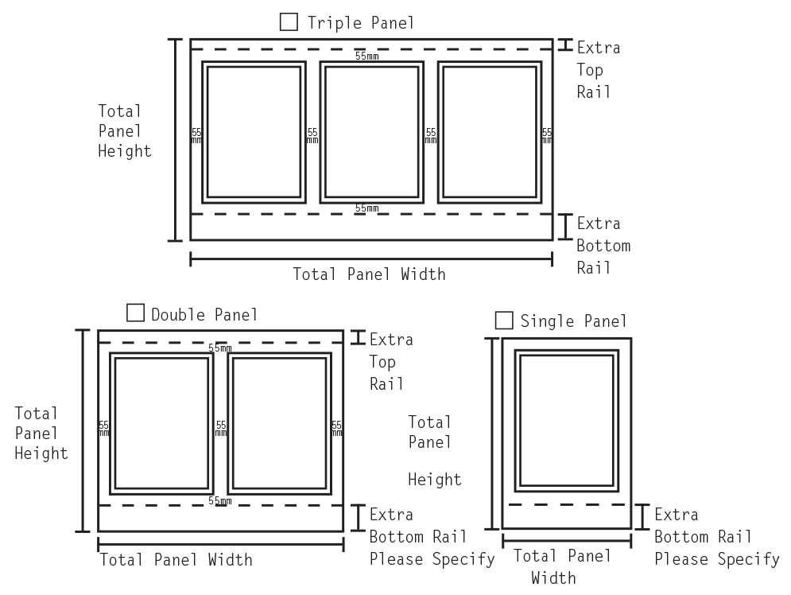
 | Island Backs |  |  |  |  |  |  |  |  |  |  |  |  |  |  |  | Island Backs: |  |  |  |  | Adjustments :
 |  |  |  |  |  |  |  |  |  |  |  |  |  |  |  |  |  |  |  |  |  | Standard Rail Size 55mm
# | Qty | Height (mm) | Width (mm) | Square Edges (✓) EP 5 |  |  |  |  |  |  |  |  |  |  |  |  | Xtra Btm Rail (mm) | Xtra Top Rail (mm) | Chair Rail Vertical |  | # of Pane | Rail Size Change to (mm)
 |  |  |  | L | R | T | B |  |  |  |  |  |  |  |  |  |  |  | Sgl | Dbl |  | L | R | T | B
1 | 1 | 820 | 2320 |  |  | ✓ | ✓ |  |  |  |  |  |  |  |  |  |  |  | ✓ |  | 3
2
3 | 1 | 820 | 1565 |  |  |  |  |  |  |  |  |  |  |  |  |  |  |  | ✓ |  | 2
4
5
6
7 | 1 | 820 | 680 |  |  |  |  |  |  |  |  |  |  |  |  |  | 100

 |  |  |  |  |  |  |  |  |  |  |  |  |  |  |  |  |  |  | * Single =standard 55mm rail

